ParkMobile signage
 |  | ParkMobile current sign requrements |  |  |  |  |  | Vendor Response
 | Type | Shape | Materials | Special Features | Size | Yearly Quantity Estimate | Example | Unit Cost | Comments
Standard 18'x24' | Sign | Rectangular | Aluminum | .063 thickness with predrilled holes centered top/bottom with ability to have custom drill hole size/placement | 18"x24" | 1400 | 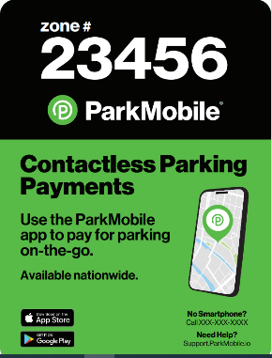
Standard 12'x18' | Sign | Rectangular | Aluminum | .063 thickness with predrilled holes centered top/bottom with ability to have custom drill hole size/placement | 12"x18" | 10500 | 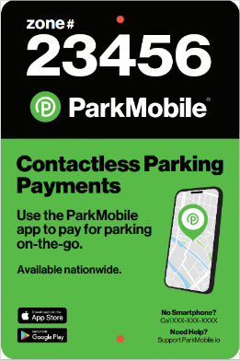
Multi-space meter sticker | Sticker | Rectangular | Vinyl | pricing based on regular material vs Orajet special adhesive | Sizes vary anywhere between 7"x10.5" (73.5 square inches) to 9"x18" (162 square inches) | 4500 | 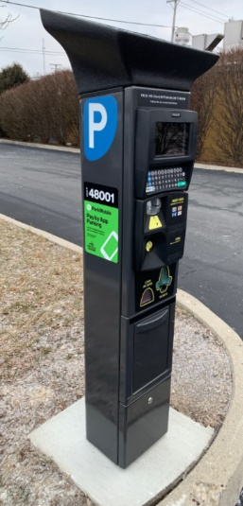
Windmaster | Sign | Rectangular | Corrugated Plastic |  | 24"x44" | 300
Single space meter sticker | Sticker | Rectangular | Vinyl |  | size varies anywhere between 1.5"x1.5" (2.25 square inches) to 4"x6" (24 square inches) | 45000 | 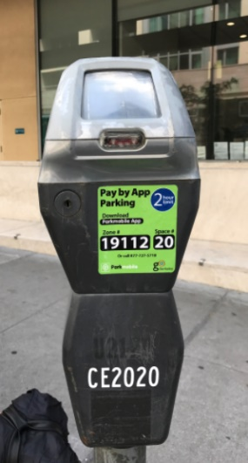
Circular Sign | Sign | Circle | Aluminum |  | 22" | 250 | 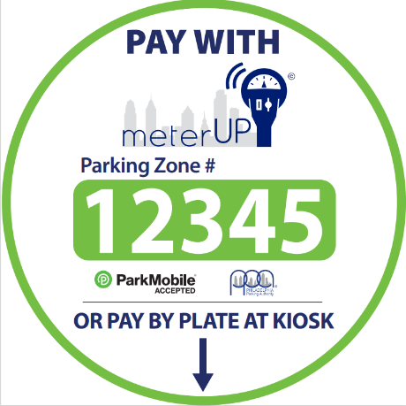
A Frame | Sign | Rectangular | Corrugated Plastic |  | 24"x36" | 400 | 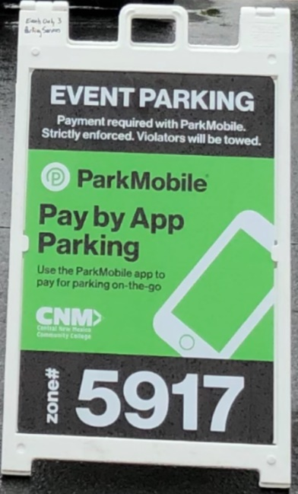
Rider | Sign | Rectangular | Aluminum | .063 thickness with predrilled holes centered top/bottom with ability to have custom drill hole size/placement | 12"x6" | 500 | 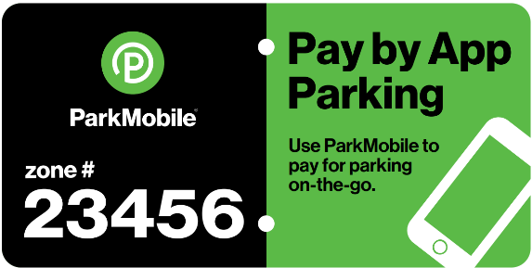
 |  |  |  | Total |  | 62850

